Indices

 | Iraq Stock Exchange
 | Bulletin No (29)
 | ISX Trading Indices of Sunday 15/2/2026

 | Traded Volume and OTC |  | 1,043,800,880 |  | Traded Value and OTC |  | 2,041,933,980 |  | Traders | 932

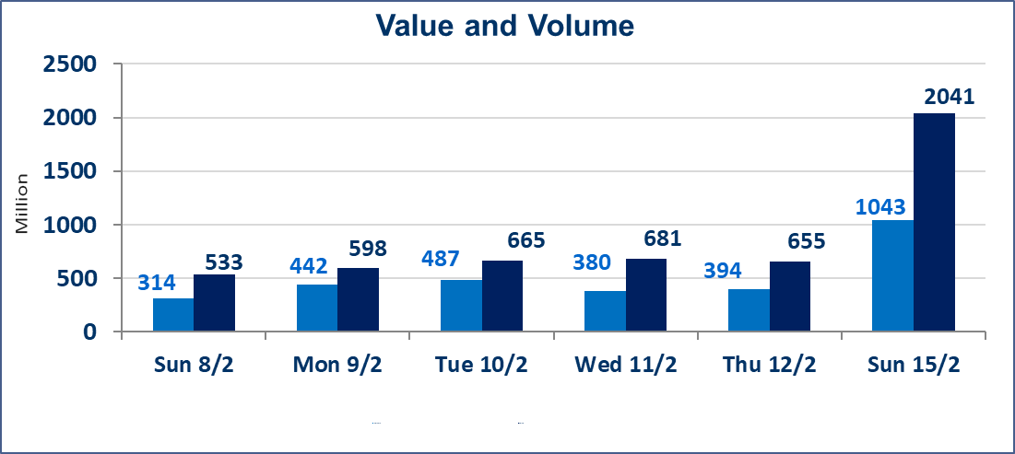
 | ISX Index 60 |  |  | 951.57 | ISX Index 15 |  |  | 1228.52
 | Previous ISX Index60 |  |  | 952.44 | Previous ISX Index15 |  |  | 1228.96
 | Change % |  |  | -0.09 | Change % |  |  | -0.04
 | Change |  |  | -0.87 | Change |  |  | -0.44

 | Listed Companies | 104 | OTC | 14 | Non Traded listed | 50 | OTC | 12
 | Traded Listed Companies | 44 | OTC | 1 | Higher Companies |  |  | 8
 | GAM Companies |  |  | 0 | Lower Companies |  |  | 15
 | Suspended Companies |  |  | 10 | GAM Companies OTC |  |  | 1
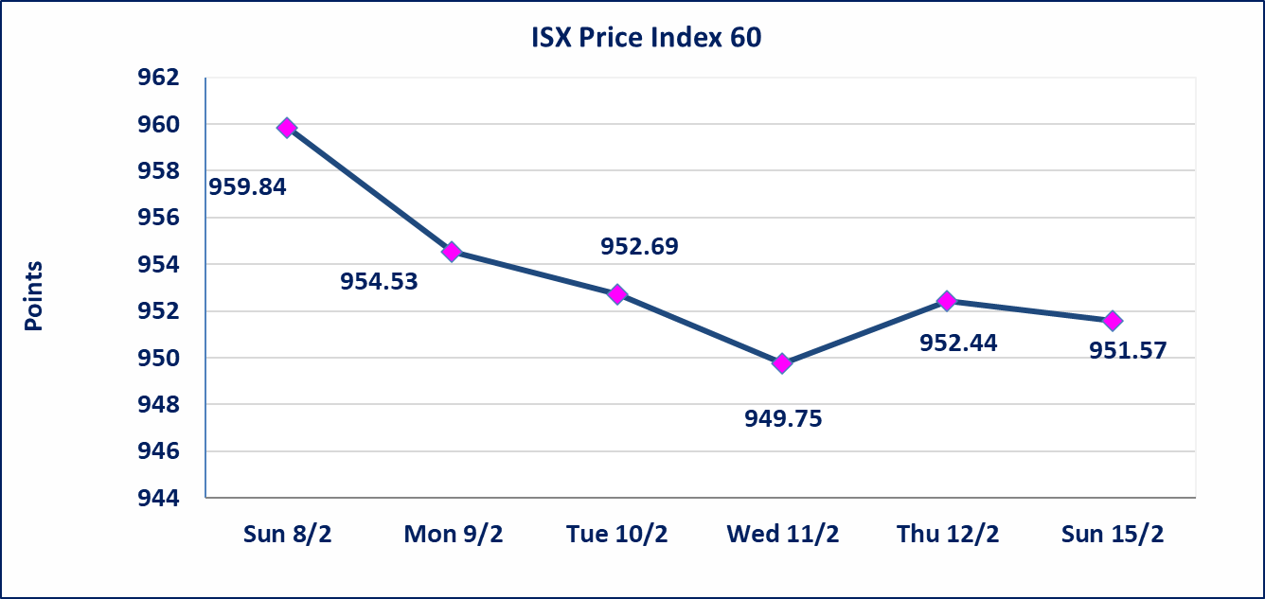
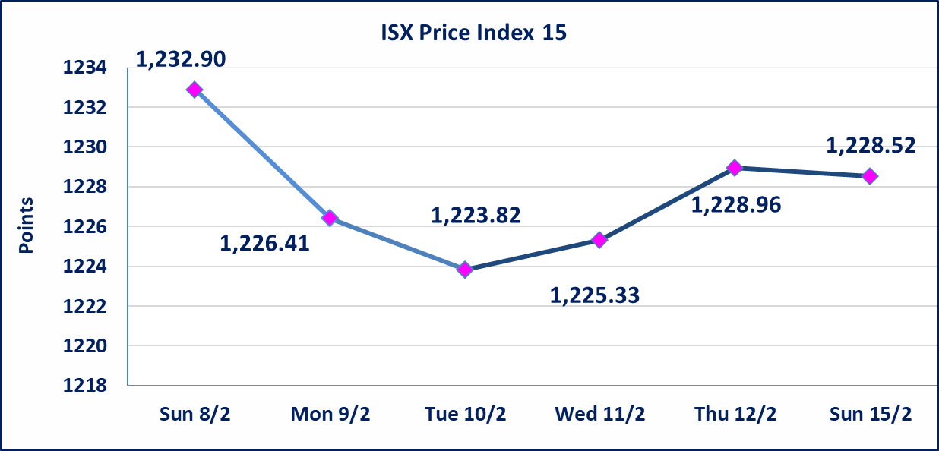

Al-Alwiya P.O . 3607 Mobile: 07711211522 - 07270094594 - 07834000034 E-mail: info-isx@isx-iq.net Web site:www.isx-iq.net

Top 5
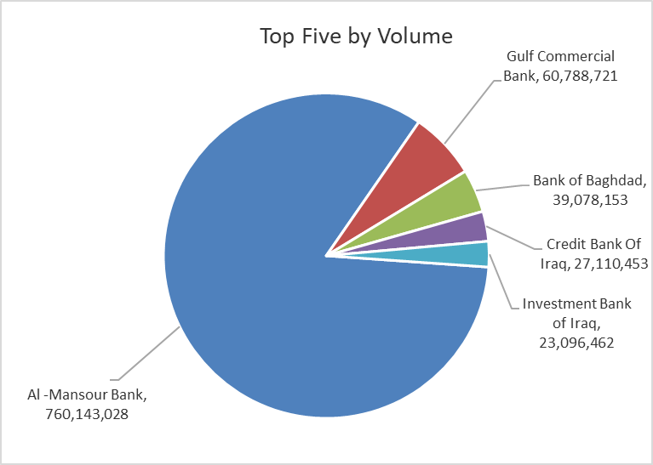
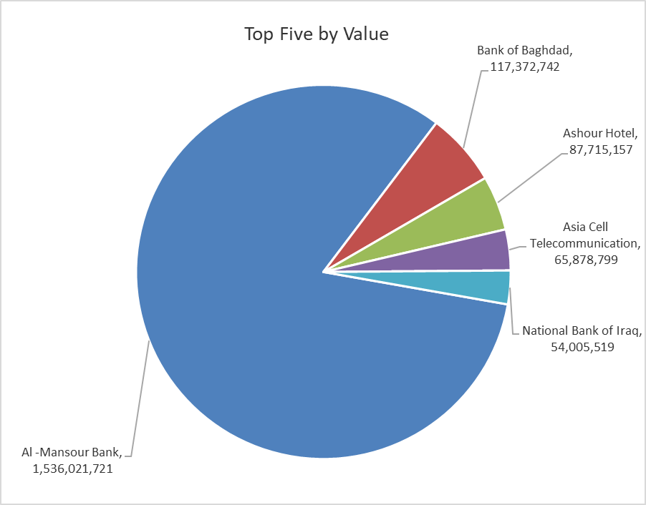

ISX top ganing and losing companies
Sunday 15/2/2026
 | Gainers |  |  |  | Losers
 | Company Name | Closing Price | Change (%) | Traded Volume | Company Name | Closing Price | Change (%) | Traded Volume
 | National Islamic Bank | 0.490 | 11.36 | 2,000,000 | International Islamic Bank | 0.180 | -18.18 | 874,182
 | Commercial Islamic Bank of Iraq | 0.690 | 4.55 | 13,502,171 | Kurdistan International Bank | 1.650 | -5.71 | 370,406
 | Ashur International Bank | 0.260 | 4.00 | 7,150,000 | Iraqi Carton Manufactories | 2.330 | -4.90 | 81,045
 | Credit Bank Of Iraq | 0.650 | 3.17 | 27,110,453 | Palestine Hotel | 19.250 | -3.27 | 720,717
 | National Chemical &Plastic | 1.900 | 2.70 | 13,000 | Al-Ameen Estate Investment | 1.900 | -3.06 | 524,933
 | The most active companies in term of traded volume and value

 | Traded Volume |  |  |  | Traded Value
 | Company Name | Closing Price | Change (%) | Traded Volume | Company Name | Closing Price | Change (%) | Traded Value
 | Al -Mansour Bank | 2.040 | 0.00 | 760,143,028 | Al -Mansour Bank | 2.040 | 0.00 | 1,536,021,721
 | Gulf Commercial Bank | 0.290 | 0.00 | 60,788,721 | Bank of Baghdad | 3.000 | -0.66 | 117,372,742
 | Bank of Baghdad | 3.000 | -0.66 | 39,078,153 | Ashour Hotel | 27.000 | 0.00 | 87,715,157
 | Credit Bank Of Iraq | 0.650 | 3.17 | 27,110,453 | Asia Cell Telecommunication | 14.980 | 0.13 | 65,878,799
 | Investment Bank of Iraq | 0.220 | 0.00 | 23,096,462 | National Bank of Iraq | 4.720 | 0.00 | 54,005,519

Not Trading Bonds

Iraq Stock Exchange
Sunday 15/2/2026
Not Trading Bonds Bulletin
Bond type | Publish type | Code | last trading price | immortilize date
Banaa Bonds /Million ID | Second | CB20 | 964,981 | 19/12/2025
Eamar Bonds /Million ID | First | CB30 | 1,001,095 | ــــــــــــــــ
Eamar Bonds /Million ID | Second | CB40 | ــــــــــــــــ | ــــــــــــــــ
Eamar Bonds /500 Thousand ID | Third | CB45 | ــــــــــــــــ | ــــــــــــــــ
Eamar Bonds /Million ID | Third | CB50 | ــــــــــــــــ | ــــــــــــــــ
Injaz Bonds /500 Thousand ID | First | CB55 | ــــــــــــــــ | ــــــــــــــــ
Injaz Bonds /Million ID | First | CB60 | ــــــــــــــــ | ــــــــــــــــ
Injaz Bonds /500 Thousand ID | Second | CB65 | 515,047 | ــــــــــــــــ
Injaz Bonds /Million ID | Second | CB70 | 1,026,082 | ــــــــــــــــ
Injaz Bonds /500 Thousand ID | Third | CB75 | ــــــــــــــــ | ــــــــــــــــ
Injaz Bonds /Million ID | Third | CB80 | 978,182 | ــــــــــــــــ
National Bonds/Million ID | First | CB90 | ــــــــــــــــ | ــــــــــــــــ
National Bonds/500 Thousand ID | Second | CB95 | ــــــــــــــــ | ــــــــــــــــ
National Bonds/Million ID | Second | CB100 | ــــــــــــــــ | ــــــــــــــــ

